Indices

 | Iraq Stock Exchange
 | Bulletin No (46)
 | ISX Trading Indices of Tuesday 10/3/2026

 | Traded Volume and OTC |  | 1,288,961,320 |  | Traded Value and OTC |  | 1,973,731,199 |  | Traders | 1265
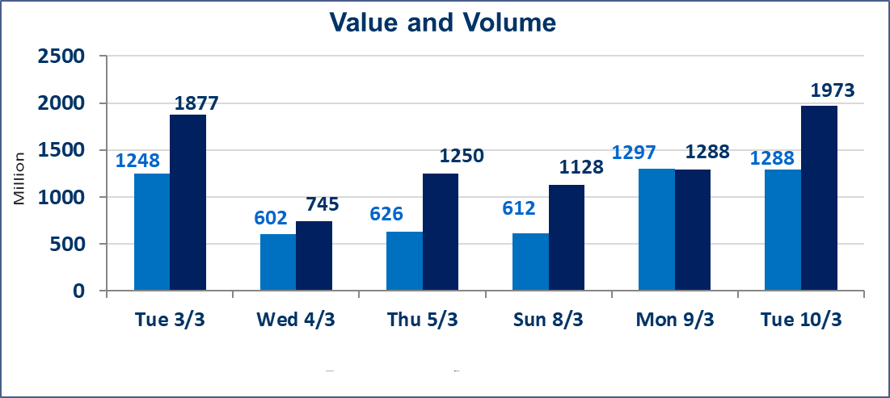
 | ISX Index 60 |  |  | 972.09 | ISX Index 15 |  |  | 1223.90
 | Previous ISX Index60 |  |  | 956.12 | Previous ISX Index15 |  |  | 1209.68
 | Change % |  |  | 1.67 | Change % |  |  | 1.18
 | Change |  |  | 15.97 | Change |  |  | 14.22

 | Listed Companies | 104 | OTC | 14 | Non Traded listed | 46 | OTC | 13
 | Traded Listed Companies | 47 | OTC | 1 | Higher Companies |  |  | 27
 | GAM Companies |  |  | 1 | Lower Companies |  |  | 2
 | Suspended Companies |  |  | 10
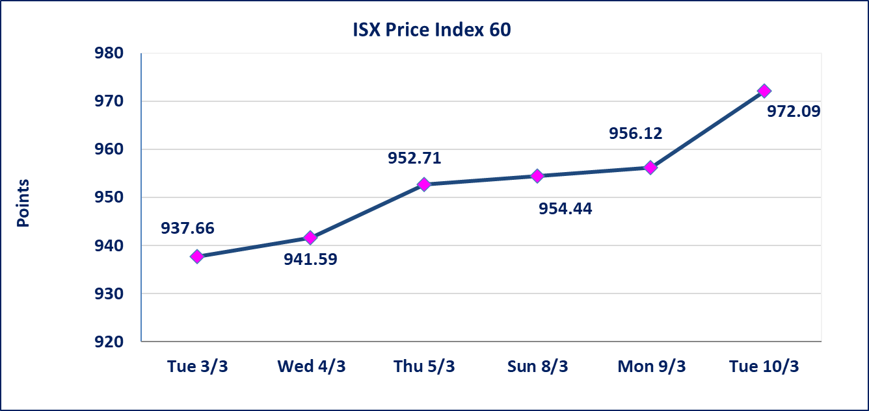
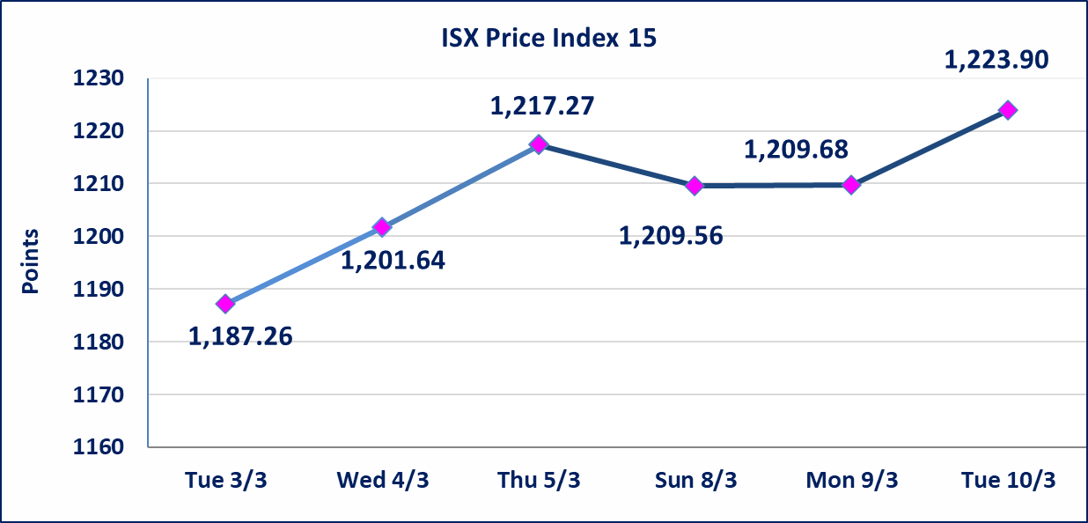

Al-Alwiya P.O . 3607 Mobile: 07711211522 - 07270094594 - 07834000034 E-mail: info-isx@isx-iq.net Web site:www.isx-iq.net

Top 5
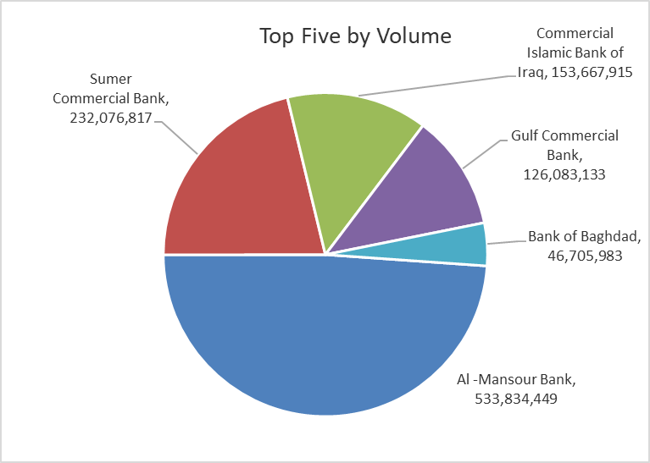
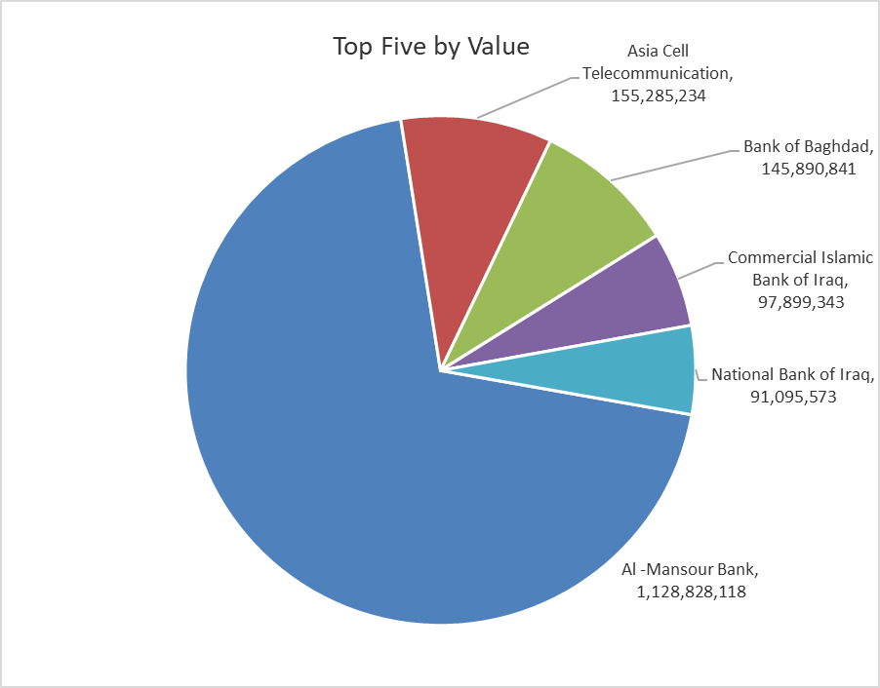

ISX top ganing and losing companies
Tuesday 10/3/2026
 | Gainers |  |  |  | Losers
 | Company Name | Closing Price | Change (%) | Traded Volume | Company Name | Closing Price | Change (%) | Traded Volume
 | Sumer Commercial Bank | 0.150 | 7.14 | 232,076,817 | Gulf Commercial Bank | 0.330 | -2.94 | 126,083,133
 | Al -Khazer Construction Materials | 1.260 | 5.00 | 2,930,000 | AL-Badia for General Trans | 0.830 | -1.19 | 48,868
 | Al-Hamraa for Insurance | 4.000 | 4.99 | 75,232
 | Baghdad -Iraq Transportation | 22.230 | 4.96 | 1,860,909
 | Iraqi Carton Manufactories | 2.980 | 4.93 | 3,938,388
 | The most active companies in term of traded volume and value

 | Traded Volume |  |  |  | Traded Value
 | Company Name | Closing Price | Change (%) | Traded Volume | Company Name | Closing Price | Change (%) | Traded Value
 | Al -Mansour Bank | 2.130 | 1.91 | 533,834,449 | Al -Mansour Bank | 2.130 | 1.91 | 1,128,828,118
 | Sumer Commercial Bank | 0.150 | 7.14 | 232,076,817 | Asia Cell Telecommunication | 14.800 | 1.09 | 155,285,234
 | Commercial Islamic Bank of Iraq | 0.660 | 4.76 | 153,667,915 | Bank of Baghdad | 3.150 | 1.94 | 145,890,841
 | Gulf Commercial Bank | 0.330 | -2.94 | 126,083,133 | Commercial Islamic Bank of Iraq | 0.660 | 4.76 | 97,899,343
 | Bank of Baghdad | 3.150 | 1.94 | 46,705,983 | National Bank of Iraq | 4.710 | 2.39 | 91,095,573

Non Iraqi

Iraq Stock Exchange
Non Iraqis' Bulletin Tuesday March 10 2026
Regular Market

Non Iraqi Trading of Regular Market (Sell)
Company Names | Code | No.of trades | Traded Shares | Trading Volume
Banks Sector
Bank Of Baghdad | BBOB | 17 | 10,000,000 | 31,250,000
Total Bank sector |  | 17 | 10,000,000 | 31,250,000
Telecommunication Sector
Asia cell | TASC | 46 | 6,500,000 | 95,678,332
Total Telecommunication sector |  | 46 | 6,500,000 | 95,678,332
Grand Total |  | 63 | 16,500,000 | 126,928,332

Non Iraqi Trading of Second Market (Sell)
Company Names | Code | No.of trades | Traded Shares | Trading Volume
Insurance Sector
Al-Hamraa for Insurance | NHAM | 3 | 68,232 | 272,928
Total Insurance sector |  | 3 | 68,232 | 272,928
Grand Total |  | 3 | 68,232 | 272,928

Not Trading Bonds

Iraq Stock Exchange
Tuesday 10/3/2026
Not Trading Bonds Bulletin
Bond type | Publish type | Code | last trading price | immortilize date
Banaa Bonds /Million ID | Second | CB20 | 964,981 | 19/12/2025
Eamar Bonds /Million ID | First | CB30 | 1,001,095 | ــــــــــــــــ
Eamar Bonds /Million ID | Second | CB40 | ــــــــــــــــ | ــــــــــــــــ
Eamar Bonds /500 Thousand ID | Third | CB45 | ــــــــــــــــ | ــــــــــــــــ
Eamar Bonds /Million ID | Third | CB50 | ــــــــــــــــ | ــــــــــــــــ
Injaz Bonds /500 Thousand ID | First | CB55 | ــــــــــــــــ | ــــــــــــــــ
Injaz Bonds /Million ID | First | CB60 | ــــــــــــــــ | ــــــــــــــــ
Injaz Bonds /500 Thousand ID | Second | CB65 | 503,793 | ــــــــــــــــ
Injaz Bonds /Million ID | Second | CB70 | 1,026,082 | ــــــــــــــــ
Injaz Bonds /500 Thousand ID | Third | CB75 | ــــــــــــــــ | ــــــــــــــــ
Injaz Bonds /Million ID | Third | CB80 | 978,182 | ــــــــــــــــ
National Bonds/Million ID | First | CB90 | ــــــــــــــــ | ــــــــــــــــ
National Bonds/500 Thousand ID | Second | CB95 | ــــــــــــــــ | ــــــــــــــــ
National Bonds/Million ID | Second | CB100 | ــــــــــــــــ | ــــــــــــــــ

